Sheet1
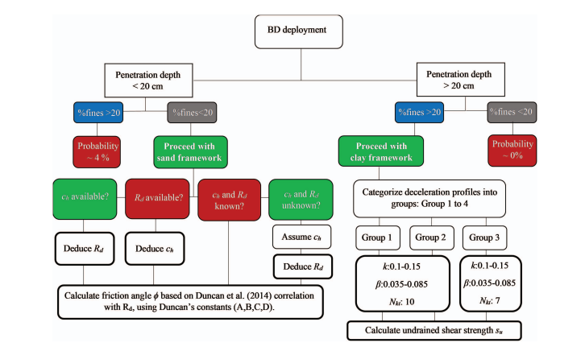

 | Task No. |  | Product | Code/Software | Matlab Code
Semester 1 | 1 | 1 | Open data | dropView, Matlab | BD_InWater.mat
 | 1 | 2 | Data conversion | dropView (for visualization), Matlab | BD_InWater.mat
 |  | 2 | Initial data visualization | matlab, dropView | BD_InWater.mat
 | 1 | 3 | selection of drop | matlab, dropView | BD_InWater.mat
 | 1 | 4 | selection of impact point | matlab | BD_InWater.mat
 | 1 | 5 | integration (velocity, depth) | matlab | BD_InWater.mat
 | 2 | 6 | soil classification | missing
 | 2 | 7 | strain rate correction | matlab | BD_InWater.mat
 | 2 | 8 | qsbc | matlab | BD_InWater.mat
 | 3 | 9 | pore pressure | matlab
 | 4 | 10 | tilt calculator | matlab/excel
Semester 2 | 4 | 11 | Relative density
 |  |  | Albatal (2020) | correlation
 |  |  | Jaber and Stark (2023) | excel/matlab
 | 4 | 12 | friction angle calculation
 |  |  | Jaber and Stark (2023) | excel/matlab
 |  |  | Albatal (2020) | missing (manual excel coding)
 | 4 | 13 | Undrained shear strengths | matlab/excel (sort of)
 | 5 | 14 | Pore pressure dissipation | matlab

 |  |  | Notes: | 1. Allow user to select what they want as output graphs
 |  |  |  | 2. Allow user to reload previous session or start with new data
 |  |  |  | 3. Allow user to save all data (appopriate file formats?)
 |  |  |  | 4. dropView is a standalone software that only is used for initial data visualization. No processing occurrs within this software
 |  |  |  | 5. User should be allowed to load in blueDrop calibation factors (right now, these are stored as a .pnl file but other formats can be chosen)

 |  |  | Product Vision | A UI that integrates all the different processing steps and products.

 |  |  | Semester MVP | UI with dedicated tabs that integrates at least (1) and (2)

 |  |  | Why? | Need a UI that combines all these processing steps, written in various codes with data in a myriad of formats that are sometimes hard to reproduce
 |  |  |  | This UI will benefit multiple research efforts around campus: marine energy, sustainable seafood, habitat restoration, erosion characterization

 |  |  | Stretch goals | 1. Calculation of duration of impact
 |  |  |  | 2. Averaging of deployments
 |  |  |  | 3. Calculation of parameters based on averaging of deployments or by single deployments.

